Summary
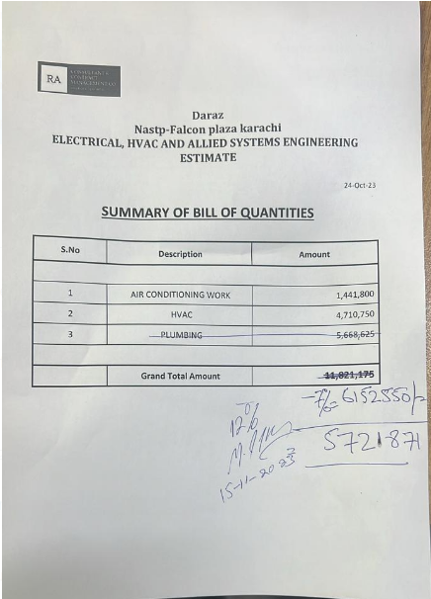
Daraz Nastp-Falcon plaza karachi ELECTRICAL, HVAC AND ALLIED SYSTEMS ENGINEERING ESTIMATE

 |  | 24-Oct-23

SUMMARY OF BILL OF QUANTITIES

S.No | Description | Amount

1 | AIR CONDITIONING WORK | 1,441,800
2 | HVAC | 4,710,750
3 | PLUMBING

 | Grand Total Amount | 6,152,550
 | Discount 7%
 | Net Amount
 | Add 4.5% | 276,865
 | Gross Amount | 6,429,415
 | Received | 2,600,000
 |  | 3,829,415

